Guide
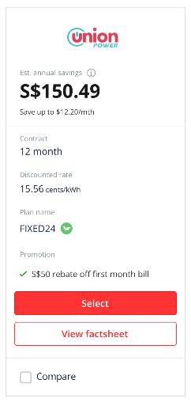
NOTE TO PWEB TEAM To update the plan information, please use the "pWeb Team" tab |  |  | NOTE TO INTELLIGENT BANKING TEAM Please adhere to the following instructions
 |  |  | Updating of Retailer Price Plans: Please use the "NEW" tab to update the respective costs
 |  |  |  | Update the columns highlighted in yellow
 |  |  |  | DO NOT change the forumulas highlighted in orange

 |  |  | Version | Date | Author | Changed Items
 |  |  | V1_01 | 2019-11-14 | DBS (Kelly)
 | Est. annual savings
 | S$XX - update from column F "Annual Savings"
 | Save up to S$XX/mth - updated from column G "Monthly Savings"

 | Contract Duration
 | XX month -updated from column K "Contract Duration"
 |  | Plan Name
 | XX rate -updated from column L "Rate Type" | XX - updated from column O "Plan Name", refer to column P "Eco-Friendly"
 | XX cents/kWh - updated from column M "Rate" and column N ""
 |  | Rate
 | Plan Name | XX cents/kWh - updated from column M "Rate" and column N ""
 | XX - updated from column O "Plan Name", refer to column P "Eco-Friendly"
 |  | Rate Type
 | Promotion | XX rate -updated from column L "Rate Type"
 | XX - updated from column Q "Promotions"
 |  | Monthly Savings
 |  | S$XX/mth - updated from column G "Monthly Savings"

 |  | Contract Duration
 |  | XX month -updated from column K "Contract Duration"

 |  | Termination Fee
 |  | updated from column S "Termination"

 |  | Promotion
 |  | XX - updated from column Q "Promotions"

 |  | You will also get
 |  | Updated from column T "1"
 |  | Updated from column U "2"
 |  | Updated from column V "3"

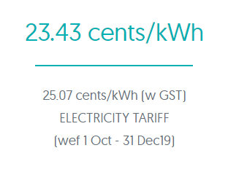
POSB Everyday Card
Geneco | POSB Everyday Card 1% cash rebate, capped at S$1 Retailer Funded Promo: Additional 1% cash rebate, not capped, valid till 29 Feb 2020
iSwitch
Union Power
Best Electricity | POSB Everyday Card 1% cash rebate, capped at S$1
Tuas Power
Keppel Electric | No Rebates

